TUGAS 3
Nilai Investasi (Vo) |  | $100,000.00 |  |  |  |  |  | Nilai Investasi (Vo) |  | $100,000.00 |  |  |  |  |  | TABEL UJI NORMALITAS RETURN HARIAN (PYTHON SCIPY)
Holding Period (t) |  | 1 |  |  |  |  |  | Holding Period (t) |  | 1 |  |  |  |  |  | Parameter / Uji Statistik | Microsoft (MSFT) | Amazon (AMZN) | Keterangan / Evaluasi
Tingkat Signifikansi (alfa) |  | 5.00% |  |  |  |  |  | Tingkat Signifikansi (alfa) |  | 5.00% |  |  |  |  |  | Ukuran Sampel (N) | 250 | 250 | 1 tahun hari bursa aktif (Sept 2025 - Sept 2026)
Tingkat Kepercayaan (1-alfa) |  | 95.00% |  |  |  |  |  | Tingkat Kepercayaan (1-alfa) |  | 95.00% |  |  |  |  |  | Mean Return (μ) | 0.0106% | 0.0739% | Rata-rata return harian
Mean Return (μ) |  | 0.0106% |  |  |  |  |  | Mean Return (μ) |  | 0.0739% |  |  |  |  |  | Standar Deviasi (σ) | 2.0554% | 2.1745% | Volatilitas harian (AMZN > MSFT)
Standar Deviasi (σ) |  | 2.0554% |  |  |  |  |  | Standar Deviasi (σ) |  | 2.1745% |  |  |  |  |  | Kemencengan (Skewness) | 1.3479 | 1.5930 | Asimetris ke kanan (right-skewed > 0)
Faktor Waktu (√t) |  | 1.00 | Simulasi 1 | Simulasi 2 | Simulasi 3 | Simulasi 4 | Simulasi 5 | Faktor Waktu (√t) |  | 1.00 | Simulasi 1 | Simulasi 2 | Simulasi 3 | Simulasi 4 | Simulasi 5 | Excess Kurtosis | 13.9949 | 9.9494 | Leptokurtik ekstrem / ekor tebal (fat tails)
Nilai Persentil-alfa (Rata-rata) |  | 3.3028% | 3.2839% | 3.4211% | 3.4450% | 3.2338% | 3.1303% | Nilai Persentil-alfa (Rata-rata) |  | 3.5106% | 3.5040% | 3.7953% | 3.0958% | 3.1708% | 3.9869% | Jarque-Bera (Statistik) | 2115.89 | 1136.90 | Distribusi Chi-Square (df=2)
Nilai VaR ($) |  | $3,302.80 | $3,283.85 | $3,421.10 | $3,445.00 | $3,233.78 | $3,130.27 | Nilai VaR ($) |  | $3,510.59 | $3,504.04 | $3,795.33 | $3,095.83 | $3,170.84 | $3,986.89 | Jarque-Bera (p-value) | 0.0000 | 1.34e-247 | Tolak H0 normalitas (p-value < 0.05)
Nilai VaR (%) |  | 3.30% | 3.28% | 3.42% | 3.44% | 3.23% | 3.13% | Nilai VaR (%) |  | 3.51% | 3.50% | 3.80% | 3.10% | 3.17% | 3.99% | Shapiro-Wilk (Statistik W) | 0.8780 | 0.9055 | Uji keselarasan kuantil empiris
 |  |  |  |  |  |  |  |  |  |  |  |  |  |  |  | Shapiro-Wilk (p-value) | 2.90e-13 | 1.91e-11 | Tolak H0 normalitas (p-value < 0.05)
MICROSOFT (MSFT) |  |  |  |  |  |  |  | AMAZON (AMZN) |  |  |  |  |  |  |  | Kolmogorov-Smirnov (Statistik D) | 0.0805 | 0.0724 | Jarak absolut maksimum fungsi kumulatif
Tanggal | Penutupan | Return | Simulasi 1 | Simulasi 2 | Simulasi 3 | Simulasi 4 | Simulasi 5 | Tanggal | Closing | Return | Simulasi 1 | Simulasi 2 | Simulasi 3 | Simulasi 4 | Simulasi 5 | Kolmogorov-Smirnov (p-value) | 0.0739 | 0.1383 | Tidak tolak H0 pada taraf 5% (p-value > 0.05)
2025-09-22 | $514.45 | - | - | - | - | - | - | 2025-09-22 | $227.63 | - | - | - | - | - | - | Kesimpulan Uji Distribusi | Non-Normal (Fat Tails) | Non-Normal (Fat Tails) | Data empiris memiliki ekor gemuk finansial
2025-09-23 | $509.23 | -1.0147% | 1.1399% | 0.3668% | -0.7864% | 0.1713% | -1.2529% | 2025-09-23 | $220.71 | -3.0400% | 0.9513% | -2.1924% | -0.3229% | 0.2761% | -1.3677%
2025-09-24 | $510.15 | 0.1807% | 3.2465% | -3.5784% | 1.6851% | -1.1262% | 3.5057% | 2025-09-24 | $220.21 | -0.2265% | 0.5895% | -0.3237% | -1.5583% | 4.4612% | -4.1071% | KESIMPULAN DAN ANALISIS RISIKO
2025-09-25 | $507.03 | -0.6116% | 0.8339% | -0.5121% | 0.2826% | -3.6931% | -0.6207% | 2025-09-25 | $218.15 | -0.9355% | -0.9381% | 2.8485% | -1.1049% | 1.8746% | -0.1726% | 1. Saham Microsoft (MSFT):
2025-09-26 | $511.46 | 0.8737% | -2.0668% | 2.6349% | 1.6666% | 2.1303% | 1.4668% | 2025-09-26 | $219.78 | 0.7472% | 0.6811% | 0.1364% | -1.2081% | 1.5851% | 0.5149% | Pada tingkat kepercayaan 95% dan holding period 1 hari dengan modal $100.000, estimasi rata-rata VaR saham Microsoft dari 5 iterasi simulasi berada di kisaran 3,0% - 3,4% (sekitar $3.000 - $3.400). Artinya, ada keyakinan 95% bahwa potensi kerugian harian saham MSFT tidak akan melampaui batas rata-rata simulasi tersebut.
2025-09-29 | $514.60 | 0.6139% | -1.3415% | 1.7927% | -1.0084% | 1.4790% | -1.2750% | 2025-09-29 | $222.17 | 1.0875% | 0.0259% | -2.0035% | -0.7991% | 1.0366% | 4.8446%
2025-09-30 | $517.95 | 0.6510% | -3.0350% | -4.8275% | 0.5264% | -3.2457% | -1.5187% | 2025-09-30 | $219.57 | -1.1703% | -0.5925% | 1.0224% | 3.0943% | 0.7922% | 2.4385% | 2. Saham Amazon (AMZN):
2025-10-01 | $519.71 | 0.3398% | -0.5580% | 1.3280% | 0.1110% | 0.7025% | 0.1032% | 2025-10-01 | $220.63 | 0.4828% | -2.9121% | 3.2427% | -2.8796% | -2.5022% | -0.6991% | Pada tingkat kepercayaan 95% dan holding period 1 hari dengan modal $100.000, estimasi rata-rata VaR saham Amazon dari 5 iterasi simulasi berada di kisaran 3,3% - 3,6% (sekitar $3.300 - $3.600). Artinya, potensi kerugian maksimum saham AMZN pada tingkat kepercayaan 95% berada di batas rata-rata simulasi tersebut.
2025-10-02 | $515.74 | -0.7639% | 0.6419% | 3.1053% | -1.4523% | -2.0926% | 1.7978% | 2025-10-02 | $222.41 | 0.8068% | 0.6124% | -0.7352% | -2.3750% | 0.7762% | -1.2469%
2025-10-03 | $517.35 | 0.3122% | -0.2871% | -1.3438% | -2.3409% | 2.3499% | 0.6364% | 2025-10-03 | $219.51 | -1.3039% | 3.4079% | -1.6934% | -0.8733% | 1.4912% | -4.3932% | 3. Perbandingan Risiko (AMZN vs MSFT):
2025-10-06 | $528.57 | 2.1687% | 0.4158% | -1.1470% | 2.3993% | 4.2013% | 0.6667% | 2025-10-06 | $220.90 | 0.6332% | 0.5023% | -3.6173% | 0.4224% | 4.2639% | 5.5301% | Saham Amazon menunjukkan potensi risiko kerugian yang lebih tinggi dibandingkan saham Microsoft, sejalan dengan tingkat volatilitas hariannya yang lebih besar (2,17% vs 2,06%). Investor saham Amazon membutuhkan alokasi cadangan modal risiko yang lebih tinggi untuk menutup potensi kerugian.
2025-10-07 | $523.98 | -0.8684% | -0.4831% | -3.2007% | -1.1473% | -0.3361% | 2.8979% | 2025-10-07 | $221.78 | 0.3984% | -1.2165% | -0.4346% | -0.5130% | 0.0121% | -2.4430%
2025-10-08 | $524.85 | 0.1660% | 0.6068% | -0.6522% | -3.9457% | 1.2015% | -3.3536% | 2025-10-08 | $225.22 | 1.5511% | -0.1455% | 2.2745% | -2.6588% | 2.1534% | -2.9103% | 4. Evaluasi Asumsi Normalitas terhadap Simulasi Monte Carlo:
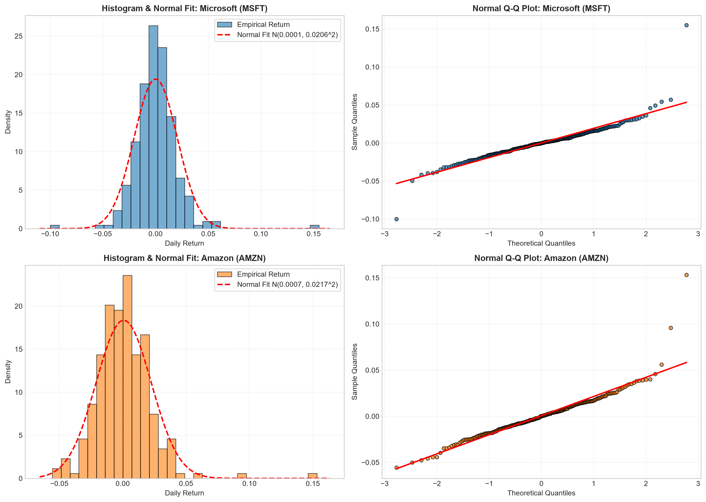
2025-10-09 | $522.40 | -0.4668% | -1.9048% | 3.4667% | -3.1768% | 0.2957% | -1.4248% | 2025-10-09 | $227.74 | 1.1189% | -0.0401% | -0.7344% | -3.2441% | -0.0958% | 0.6080% | Uji Kolmogorov-Smirnov tidak menolak asumsi normalitas pada taraf 5% (p = 0,0739 untuk MSFT dan p = 0,1383 untuk AMZN), sehingga secara formal prosedur simulasi Monte Carlo Normal di sheet ini dapat dijustifikasi. Namun, uji Jarque-Bera dan Shapiro-Wilk mendeteksi excess kurtosis signifikan (MSFT = 13,99; AMZN = 9,95). Sebagai mitigasi risiko kerugian ekstrem di pasar riil, pendekatan Student-t VaR atau Historical Bootstrap direkomendasikan.
2025-10-10 | $510.96 | -2.1899% | 2.6206% | -3.5413% | -4.7632% | -1.0006% | -0.6976% | 2025-10-10 | $216.37 | -4.9925% | -4.7047% | -1.4965% | -1.2950% | 2.1204% | -2.9939%
2025-10-13 | $514.05 | 0.6047% | -3.2499% | 2.2689% | -2.9105% | -0.4174% | -1.3414% | 2025-10-13 | $220.07 | 1.7100% | -0.7998% | 3.6816% | 3.8037% | 1.5553% | 3.3648%
2025-10-14 | $513.57 | -0.0934% | -2.6973% | -0.0056% | -1.0975% | -2.0105% | 0.4859% | 2025-10-14 | $216.39 | -1.6722% | 3.4741% | 3.2709% | 3.9141% | -1.1928% | 4.0569%
2025-10-15 | $513.43 | -0.0273% | 1.8930% | -0.5298% | -0.1302% | -1.8359% | -0.2881% | 2025-10-15 | $215.57 | -0.3789% | 0.2079% | -2.1842% | -1.3139% | 0.1310% | 2.1408%
2025-10-16 | $511.61 | -0.3545% | -1.1129% | 2.9736% | 0.6112% | 0.5103% | -1.5030% | 2025-10-16 | $214.47 | -0.5103% | -1.9988% | -1.7514% | -0.4533% | -2.9517% | 2.9131%
2025-10-17 | $513.58 | 0.3851% | 1.0406% | 0.6001% | -0.3642% | 0.4762% | 1.8764% | 2025-10-17 | $213.04 | -0.6668% | 1.1602% | 1.9607% | 2.1293% | 4.7971% | 1.6254%
2025-10-20 | $516.79 | 0.6250% | -0.3025% | 1.5571% | 1.0950% | 1.4762% | 1.3442% | 2025-10-20 | $216.48 | 1.6147% | 0.1451% | -1.6659% | -1.6012% | -0.6456% | -0.2232%
2025-10-21 | $517.66 | 0.1683% | -0.0612% | 1.9402% | 1.5752% | -0.9785% | 1.8920% | 2025-10-21 | $222.03 | 2.5637% | 0.2249% | -1.0726% | -0.9419% | -1.3412% | -2.2373%
2025-10-22 | $520.54 | 0.5563% | -2.2532% | 0.9560% | -1.6506% | 1.2886% | -1.8044% | 2025-10-22 | $217.95 | -1.8376% | 1.5179% | 4.0669% | -0.6467% | -0.5710% | -4.6703%
2025-10-23 | $520.56 | 0.0038% | 0.4694% | 0.4781% | -0.7191% | -1.9241% | -1.8218% | 2025-10-23 | $221.09 | 1.4407% | 0.4726% | -0.9402% | -2.9590% | 4.5269% | 0.7731%
2025-10-24 | $523.61 | 0.5859% | -0.7908% | 0.5406% | -2.9072% | -0.0625% | -0.8367% | 2025-10-24 | $224.21 | 1.4112% | 0.7709% | 0.1037% | 1.9975% | 1.4523% | -3.0153%
2025-10-27 | $531.52 | 1.5107% | -2.3115% | -0.4430% | 1.0769% | 2.3729% | -1.3064% | 2025-10-27 | $226.97 | 1.2310% | 0.0718% | -0.8616% | -1.0572% | -5.0812% | -0.7462%
2025-10-28 | $542.07 | 1.9849% | -0.6326% | 0.8298% | 0.5914% | 1.0068% | -0.4469% | 2025-10-28 | $229.25 | 1.0045% | -1.2197% | 1.4062% | -2.3944% | -3.9081% | 1.1957%
2025-10-29 | $541.55 | -0.0959% | 0.2118% | 0.9971% | 2.5104% | 3.6520% | -1.2117% | 2025-10-29 | $230.30 | 0.4580% | 2.2194% | 2.5453% | -4.1452% | 1.5626% | -1.4990%
2025-10-30 | $525.76 | -2.9157% | -0.8964% | -0.4833% | -1.2396% | 1.7388% | -0.0212% | 2025-10-30 | $222.86 | -3.2306% | -0.7825% | -1.7472% | -1.9028% | -1.8689% | -1.6756%
2025-10-31 | $517.81 | -1.5121% | -3.5927% | 4.6802% | 2.4001% | 1.7362% | 0.3126% | 2025-10-31 | $244.22 | 9.5845% | -2.6698% | -4.3381% | -1.2040% | -2.3842% | -0.8810%
2025-11-03 | $517.03 | -0.1506% | 3.7921% | -0.2057% | 0.9794% | -1.1018% | -1.0628% | 2025-11-03 | $254.00 | 4.0046% | -0.0390% | 0.3254% | 1.3529% | -0.7093% | -1.4839%
2025-11-04 | $514.33 | -0.5222% | -1.7095% | 0.6859% | -3.5414% | 0.8203% | 1.2980% | 2025-11-04 | $249.32 | -1.8425% | 0.5295% | -1.0524% | -1.0646% | -2.1911% | -4.7276%
2025-11-05 | $507.16 | -1.3940% | 0.6700% | 2.1956% | -0.4858% | 0.9115% | 2.5426% | 2025-11-05 | $250.20 | 0.3530% | -0.8131% | -1.5243% | -1.6601% | 0.9010% | 0.2461%
2025-11-06 | $497.10 | -1.9836% | 0.6554% | 2.4081% | -1.8789% | 0.2842% | -1.7711% | 2025-11-06 | $243.04 | -2.8617% | -0.9533% | 1.4711% | 0.8278% | -2.0885% | 0.3230%
2025-11-07 | $496.82 | -0.0563% | -3.8368% | -1.3656% | 2.5879% | -1.2474% | 2.6567% | 2025-11-07 | $244.41 | 0.5637% | 0.5200% | -0.6028% | -2.1246% | 2.1016% | 3.8306%
2025-11-10 | $506.00 | 1.8478% | 1.0735% | -1.5652% | 0.9055% | 0.7980% | -2.3618% | 2025-11-10 | $248.40 | 1.6325% | -0.2086% | 1.5157% | 0.5015% | -4.6267% | 2.4486%
2025-11-11 | $508.68 | 0.5296% | 0.9601% | 1.2430% | 0.6944% | 1.2149% | 1.1584% | 2025-11-11 | $249.10 | 0.2818% | -1.1468% | 5.7575% | 0.0334% | -1.0638% | -3.8754%
2025-11-12 | $511.14 | 0.4836% | 1.4909% | -0.8366% | -3.3970% | -0.1162% | 1.7017% | 2025-11-12 | $244.20 | -1.9671% | 3.3920% | 1.8275% | -3.2319% | 0.8420% | 3.9025%
2025-11-13 | $503.29 | -1.5358% | 1.2088% | -2.2788% | -0.1571% | 2.2316% | -2.9235% | 2025-11-13 | $237.58 | -2.7109% | -0.5199% | -0.6373% | -1.1758% | -1.4108% | -3.2372%
2025-11-14 | $510.18 | 1.3690% | -0.7673% | -0.8657% | 2.9504% | 1.2122% | -2.4759% | 2025-11-14 | $234.69 | -1.2164% | -2.2349% | 3.3108% | 1.1745% | -0.8073% | 0.3170%
2025-11-17 | $507.49 | -0.5273% | 3.1832% | -0.1494% | 0.3890% | -0.2854% | 3.0162% | 2025-11-17 | $232.87 | -0.7755% | 2.8352% | -0.2563% | -2.0200% | -2.2968% | 5.7468%
2025-11-18 | $493.79 | -2.6996% | -0.5764% | -1.3924% | -2.4165% | 3.6030% | -0.1983% | 2025-11-18 | $222.55 | -4.4317% | 0.8105% | 0.8369% | 0.1249% | -1.2280% | 1.2235%
2025-11-19 | $487.12 | -1.3508% | 5.2112% | -0.9528% | 1.1465% | 3.1697% | 2.0041% | 2025-11-19 | $222.69 | 0.0629% | 0.4163% | -1.9959% | -2.2576% | 0.4506% | 3.5211%
2025-11-20 | $478.43 | -1.7840% | 0.4021% | 0.3836% | 2.8532% | -1.5343% | 3.4970% | 2025-11-20 | $217.14 | -2.4923% | 0.6910% | -3.1062% | 1.2363% | 1.4902% | -0.9108%
2025-11-21 | $472.12 | -1.3189% | -3.4961% | -0.4532% | -0.7065% | -2.4856% | -2.3990% | 2025-11-21 | $220.69 | 1.6349% | 1.0074% | 2.5528% | -3.0233% | 2.2802% | -0.8681%
2025-11-24 | $474.00 | 0.3982% | 0.0763% | 1.5272% | 3.1939% | 1.7990% | -2.9292% | 2025-11-24 | $226.28 | 2.5330% | -0.2560% | 0.7533% | -1.5431% | -0.2440% | 2.7236%
2025-11-25 | $476.99 | 0.6308% | -0.8022% | -0.5764% | -2.8550% | -0.2734% | -1.1292% | 2025-11-25 | $229.67 | 1.4981% | -1.3870% | 0.5295% | 0.6681% | 2.0215% | -0.7373%
2025-11-26 | $485.50 | 1.7841% | -0.0223% | -1.0733% | -2.3810% | -0.8929% | 0.8472% | 2025-11-26 | $229.16 | -0.2221% | -0.5116% | 0.8445% | 2.5486% | -0.4193% | 0.7089%
2025-11-28 | $492.01 | 1.3409% | -0.8566% | -1.5789% | 0.9474% | -3.1384% | 0.0950% | 2025-11-28 | $233.22 | 1.7717% | 0.0373% | 0.1776% | -0.0603% | 0.2132% | 3.1499%
2025-12-01 | $486.74 | -1.0711% | -1.1577% | 4.3402% | -2.3337% | 2.6979% | 2.1935% | 2025-12-01 | $233.88 | 0.2830% | -2.9623% | -1.2870% | -2.7901% | 4.2714% | 0.6799%
2025-12-02 | $490.00 | 0.6698% | 1.1734% | 1.0529% | -2.8567% | 1.4673% | 0.8512% | 2025-12-02 | $234.42 | 0.2309% | -2.3806% | 1.6833% | 0.8486% | -2.8526% | 1.9873%
...

